Data
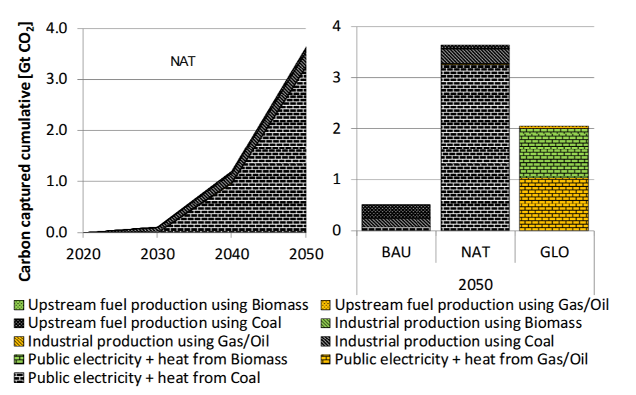
Pixel Based Analysis | Pixels
Public Electricity + heat from coal | 376
Industrial production using coal | 37
Upstream fuel production using coal | 9

Total | 422

Share of Total CCS | Percent
Electricity | 0.89099526066
Industry - Other industries | 0.10900473934

